Document History
국민대학교 종합정보시스템 구축
업무기능분해도
Document History

No | Version | Change Date | Change Cause | Change Description | Author | Approver
1 | v1.0 | 10-02-2016 | new | Initial | Application Team | K.H.Ryu

SIT-OVM-MAO-02
▣ Scenario SIT-OVM-MAO-02

OVMC,OSCVM
001. Read inspector information and send driving information to PSCCS
002. Check driving information at PSCCS
PSCCS
▶ Desc & Flow
Description |  | “Inspection” means examination of the passenger ticket is valid or not with the inspector's equipment.
Biz flow

▶ Advance preparation
Preparation |  | OSCVM, OVMC, PSCCS 1ea

▶ Data
NO | Item | 1 | 2 | 3 | 4 | 5
1 | N/A

001
▶ Test Case SIT-OVM-MAO-02-001 : Read inspector information and send driving information to PSCCS

1. Test Scenario
Test date |  | 1st |  | Tester |  | 1st
 |  | 2nd |  |  |  | 2nd
 |  | 3rd |  |  |  | 3rd

Tapping on OVMC/OSCVM
Read inspector information from inspector's card, and
Write driving information on the inspector's card
Description |  | Read inspector information and send driving information to PSCCS |  |  |  |  | Written by |  | KIM J.E.
Flow

NO | Task | Test data | Expected result | Person in charge | Result |  | Pass/Fail |  |  | Remark
 |  |  |  |  |  |  | 1st | 2nd | 3rd
1 | Tapping on OSCVM | Inspector card | Tapping result is OK | KIM J.E. | 1st |  |  |  |  | Test Data:A
 |  |  |  |  | 2nd
 |  |  |  |  | 3rd
2 | Read inspector information from inspector's card | Inspector card ID | Reading is OK | KIM J.E. | 1st |  |  |  |  | Test Data:B
 |  |  |  |  | 2nd
 |  |  |  |  | 3rd
2 | Write driving information on the inspector's card | Driving Information Line ID, Route ID, Stop ID, Vehicle ID | Writing is OK | KIM J.E. | 1st |  |  |  |  | Test Data:B
 |  |  |  |  | 2nd
 |  |  |  |  | 3rd

2. Test Data
NO | Item | Value
A | 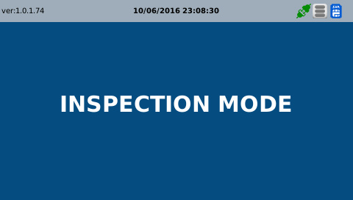 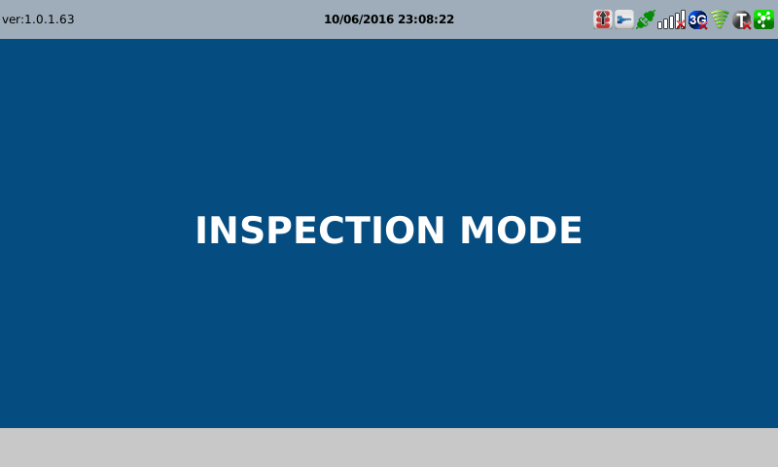

B | 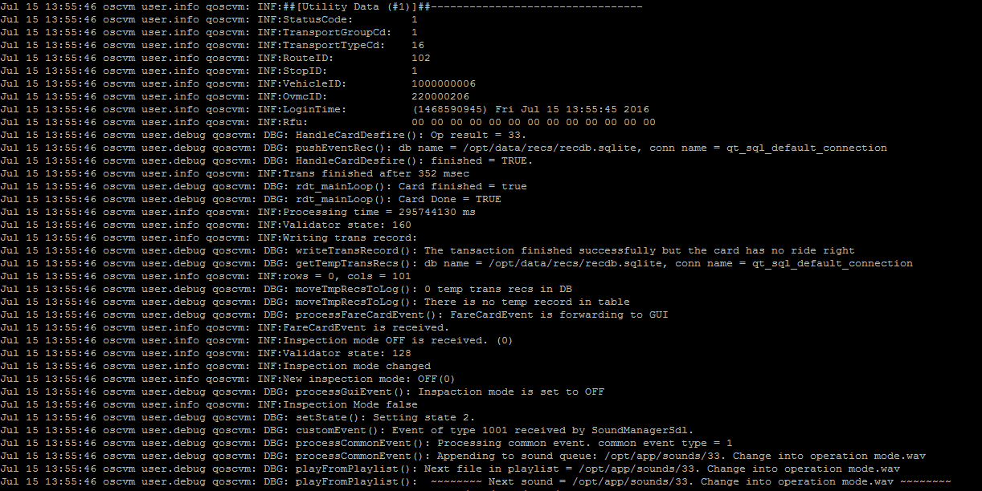

002
▶ Test Case SIT-OVM-MAO-02-002 : Check driving information at PSCCS

1. Test Scenario
Test date |  | 1st |  | Tester |  | 1st |  | SE YOON
 |  | 2nd |  |  |  | 2nd
 |  | 3rd |  |  |  | 3rd

Inspector Login
Tapping the inspector card on PSCCS
Set Transit Mode Automatically
Description |  | Check driving information at PSCCS |  |  |  |  | Written by |  | SE YOON
Flow

NO | Task | Test data | Expected result | Person in charge | Result |  | Pass/Fail |  |  | Remark
 |  |  |  |  |  |  | 1st | 2nd | 3rd
1 | [Inspector Work Start] 1. Enter the Inspector ID. 2. Enter the Inspector Password. | Inspector ID : Test Data A Inspector PW : Test Data A | If Login succeed, display Inspector ID, Name on the screen. [Screen Message] --------------------------- Start Working 0000000016 (Family Name) (First Name) --------------------------- | SE YOON | 1st
 |  |  |  |  | 2nd
 |  |  |  |  | 3rd
2 | [BUS mode Setting] 1. Tap the Test card on the PSCCS. | Normal Card : Test B | When you tap the card, display error message on the screen. [Screen Message] --------------------------- Tap a Inspector Card! --------------------------- | SE YOON | 1st
 |  |  |  |  | 2nd
 |  |  |  |  | 3rd
3 | [BUS mode Setting] 1. Tap the Test card on the PSCCS. | Inspector Card : Test B * This Card is same [SIT-OVM-MAO-02-001] | When you tap the inspector card, display Vehicle Number, Stop Name on the screen. [Screen Message] --------------------------- (Stop Name) (Vehicle Number) Setting Completed --------------------------- | SE YOON | 1st
 |  |  |  |  | 2nd
 |  |  |  |  | 3rd
4 |  |  |  |  | 1st
 |  |  |  |  | 2nd
 |  |  |  |  | 3rd

2. Test Data
NO | Item | Value
A | Inspector ID | 0000000016
 | Inspector Password | 00000016

B | Inspector Card(DESFire) | 3001010000000518
 | Normal Card(DESFire) | 300101000000****
 | Bus Vehicle Number
 | Stop Name

